oIL cOOLER
PT KOMATSU REMAN INDONESIA

OIL COOLER DELIVERY AND
RECEIVING INSPECTION CHECKSHEET

JOB NUMBER |  | PART NAME |  |  |  | OIL COOLER |  | DOCUMENT NO. |  | : | QR01-SA-009
ENGINE MODEL |  | PART NUMBER |  |  |  |  |  | PUBL. DATE |  | : | 01/08/2008
ENGINE S/N |  | START DATE / TIME |  |  |  |  |  | REVISION NO. |  | : | 01
MACHINE MODEL |  | FINISH DATE / TIME |  |  |  |  |  | PAGE |  | : | 1 of 1

SKETCH DRAWING

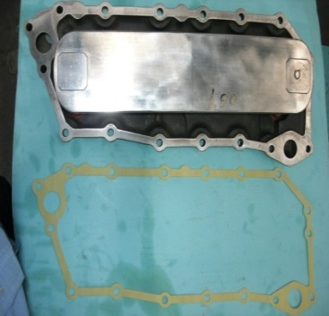
 | 12V140
 |  |  | VISUAL CHECK |  |  |  |  | MECHANIC |  |  | QA
 |  |  |  |  |  |  |  | OK | NO |  | OK | NO
 |  |  | FREE CORROSION AND DIRT
 |  |  | CRACK HAS BEEN CHECKED
 |  |  | THREADS HAS BEEN CHECKED
 |  |  | BOLTS HAS BEEN TIGHTENED

 | 6D170
 |  |  | MAN HOURS UTILIZATION
 |  |  | PROSES |  |  |  | START | FINISH |  | MANHOURS
 |  |  | Inspection
 |  |  | TOTAL

 |  |  | Physical Data
 |  |  | No | Part Number |  |  | Part Name |  | Qty | New |  | Reuse
 | 6D140 |  | 1
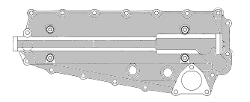
 |  |  | 2
 |  |  | 3
 |  |  | 4

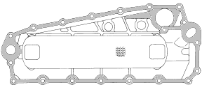

MECHANIC INSPECTION COMMENT

 | DELIVERY BY SUB ASSY 2 |  |  |  | RECEIVING INSPECTION BY ASS'Y
 | DELIVERED DATE : |  |  |  | INSPECTION DATE :
 | MECHANIC NAME : |  |  |  | MECHANIC NAME :
 | SIGN |  |  |  | SIGN

 | Note : Oil Cooler & after finishing can be directly measured by Quality Assurance ( QA )

